Consumer Price Index
http://www.bls.gov/data/inflation_calculator.htm

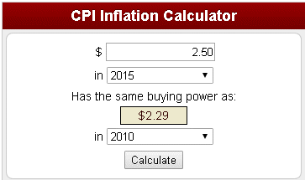
 | 2015 $ | $2.50
 | 2010 equiv $ | $2.29
 | CPI Factor | 0.916

